Sheet1
Broughton Moor Healthy Helpers - Profit and Loss Sheet
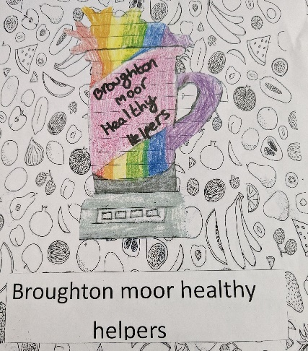

 | Date | Money available | Money spent | Money left | Item | Profit from Sales | Total
 | 2023-06-17 | £50.00 | £30.45 | £19.55 | Fruit for week 1 selling (includes pre-orders for weeks 2 and 3) | £170.00 | £189.55
 | 2023-06-17 | £189.55 | £7.60 | £181.95 | Paper Straws for cups | 0 | £181.95
 | 2023-06-24 | £181.95 | £11.96 | £169.99 | Fruit for week 2 selling | £30.00 | £199.99
 | 2023-06-07 | £199.99 | £15.01 | £184.98 | Fruit for week 3 selling | £17.52 | £202.50
 |  |  |  |  |  | Total profit | £152.50

 | Note: Pioneer Foodservice generously donated our smoothie cups and our blenders were borrowed out of goodwill

